Sheet1
 | Document No. |  | Issue No. | Issue Date |  |  | Review and Replace Date |  | Authorised By
 | GFF130MC |  | 2 | 01.10.2019 |  |  | 09.10.2020
 | Document Title |  | 8 STICKY YAKITORI CHICKEN KEBAB 210g
 | Tray changed to evolve |  |  |  |  | Page |  | 1 of 1 | Magda Shah
Document amendments reason for change |  |  |  |  |  | Previous Issue Date |  | 01.10.2019 | Uncontrolled copy unless signed original

CYOKIB1-R1TEB |  | BOOTHS - XMAS |  |  | 8 STICKY YAKITORI CHICKEN KEBAB 210g
STEP 1 |  |  |  | STEP 2
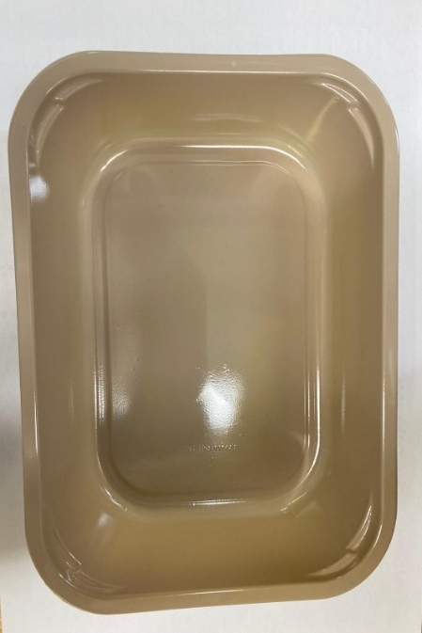 |  |  |  | 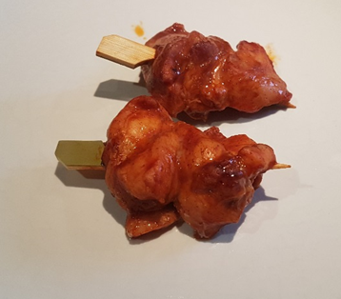

Tray: 2200-1E Evolve (PKRHP001-08) |  |  |  | 8 x Sticky Yakitori Chicken Kebab (GFF285R) 160g
LINE 1: Mylar 250LAF 250mm x 1000 (PKWRA001-08)
LINE 1: K-Peel 75G + AF 25 250mm (PKKMP001-01)
STEP 3 |  |  |  |  |  | STEP 4
DEFROST DAY + 10 DAYS
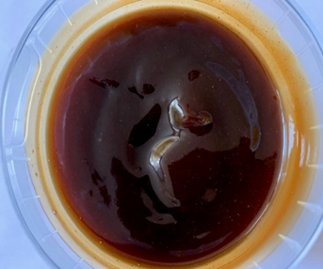 |  |  |  |  |  | 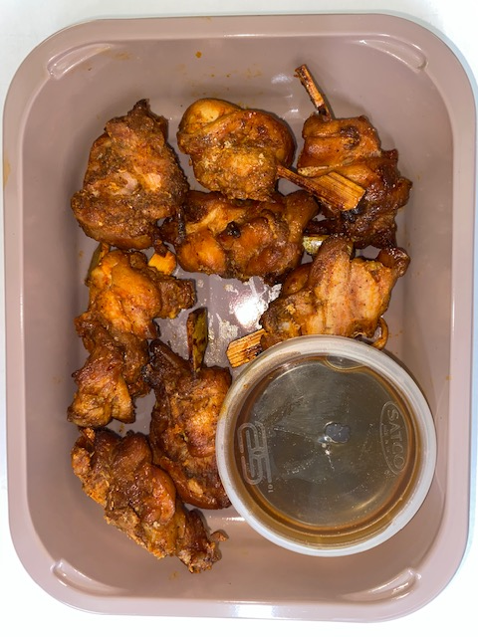

Yakitori Glaze (GFF286R) 50g |  |  |  |  |  | TOTAL WEIGHT: 210g
SATCO CONTAINERS (PKKAV001-17)
ALLERGY ALERT: SOYA, WHEAT

